UI Aesthetics
Sr. no. | Section | Recommended Changes | Screenshots
1 | Margins | The margins / boundaries for the form sections should be consistent throughout the form. At some places it is shorter and at some places it is bigger | 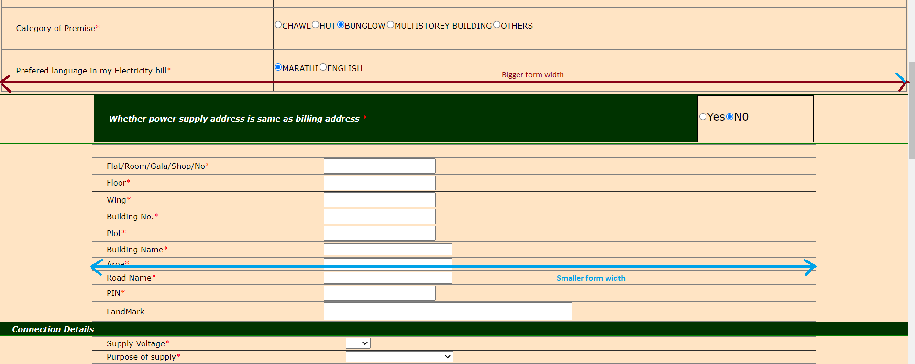
2 | Textboxes | Textbox sizes should be consistent (height and width) | 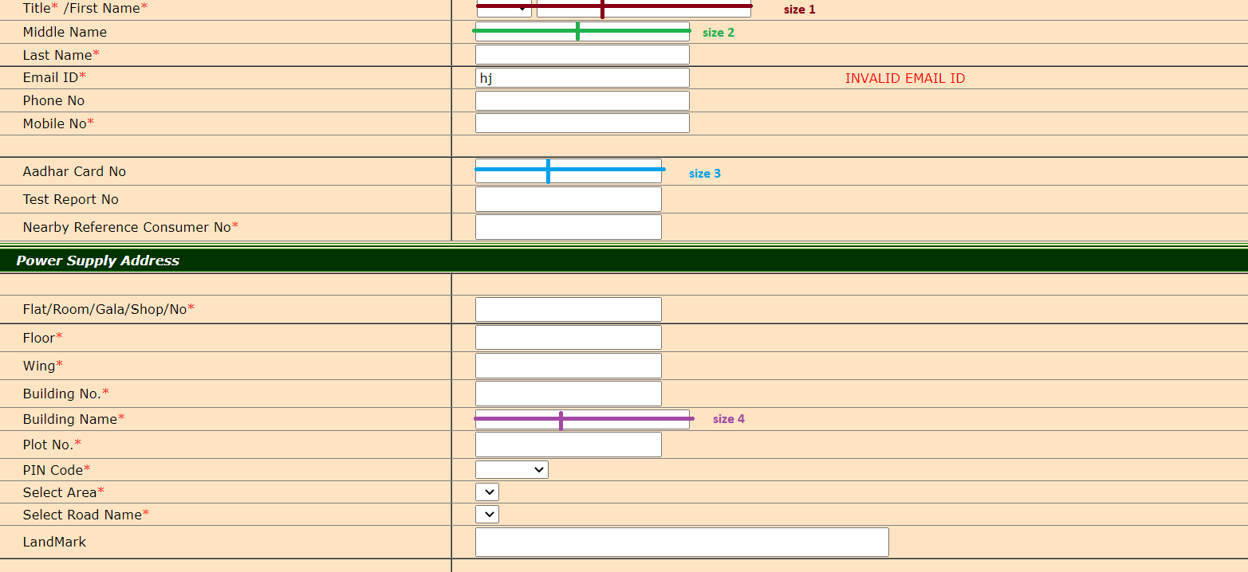
3 | Theme (color scheme) | CSS is not used to great effect. The color combination used is also not appealing to the eye. Colors are used at free will. Use of a particular theme will help | 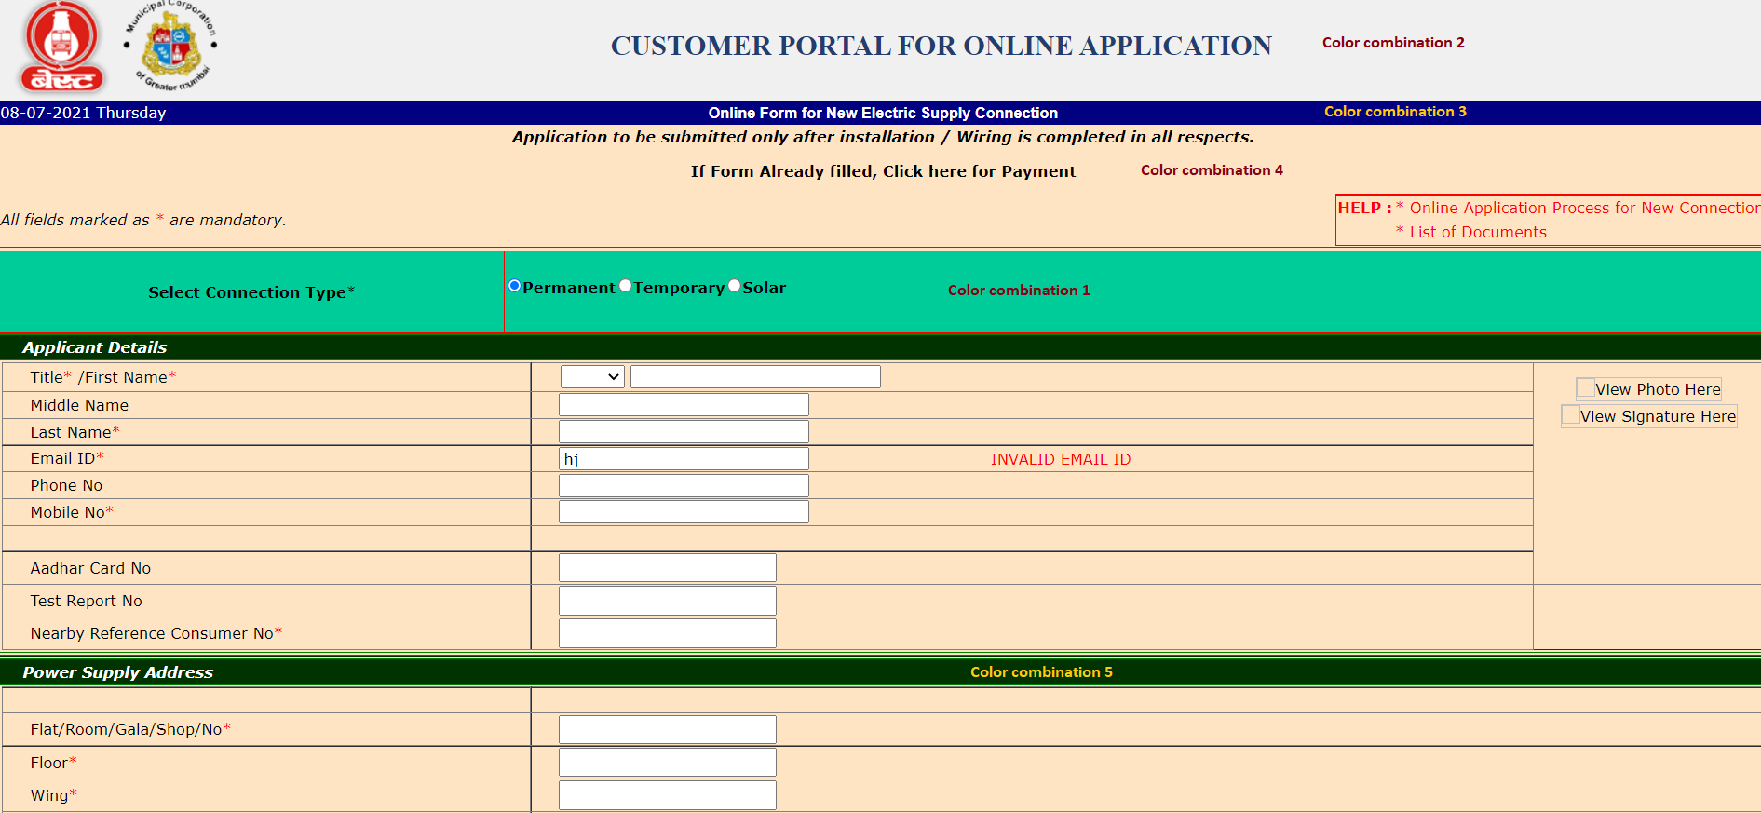
4 | Links | All the links in the page should be highlighted with a different color than the rest of the text. And that font-weight, style, color should be same throughout the page/ form. | 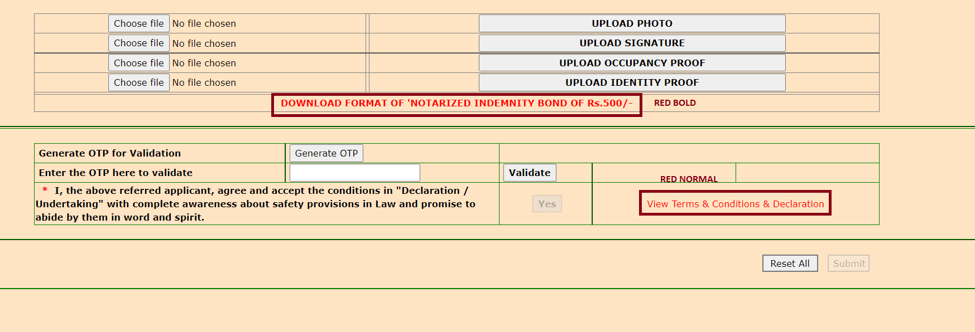
5 | Inconsistent text | The texts for radio fields as in Yes / No, are given in different text cases | 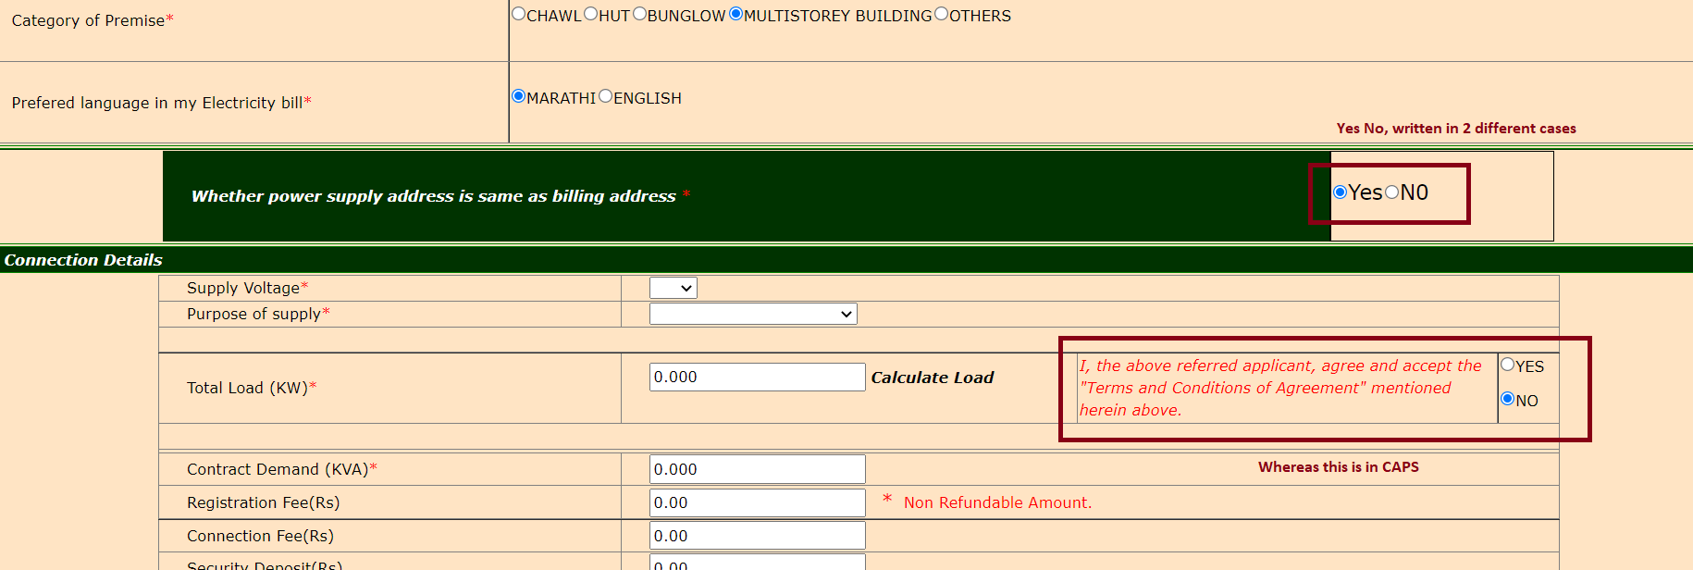
6 | Inconsistent Spacing | At some places more than desired spacing is given, whereas at some places the spacing provided is very less | 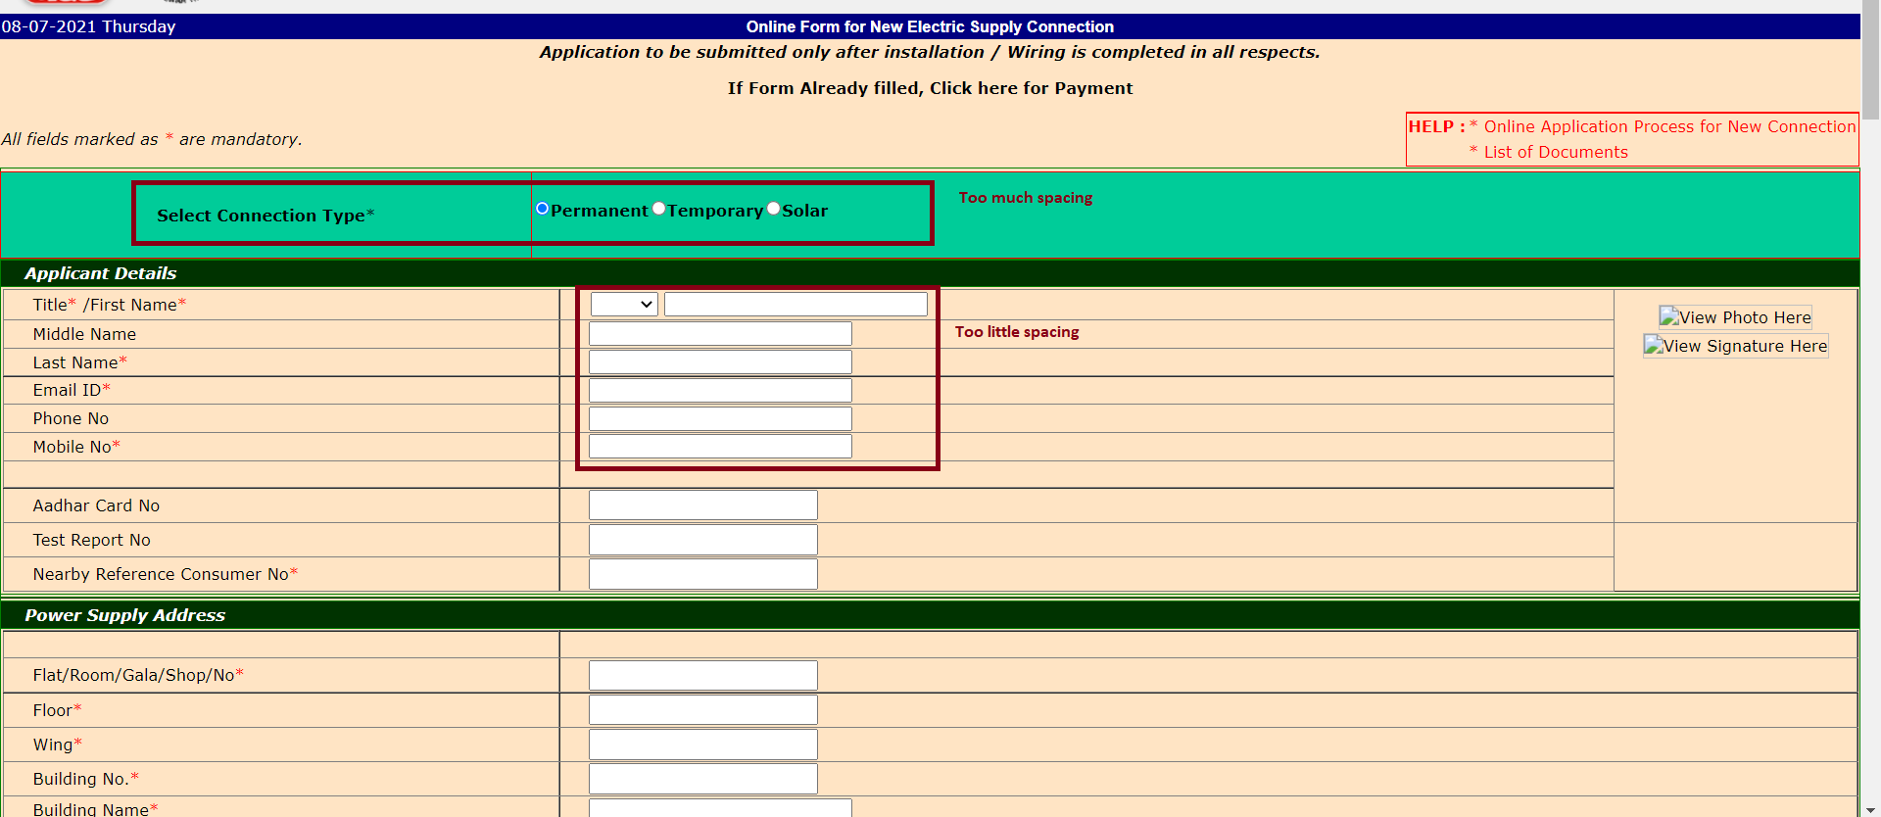
7 | Too much unused space | The fields, including the borders should occupy more than 70 percent of the space | 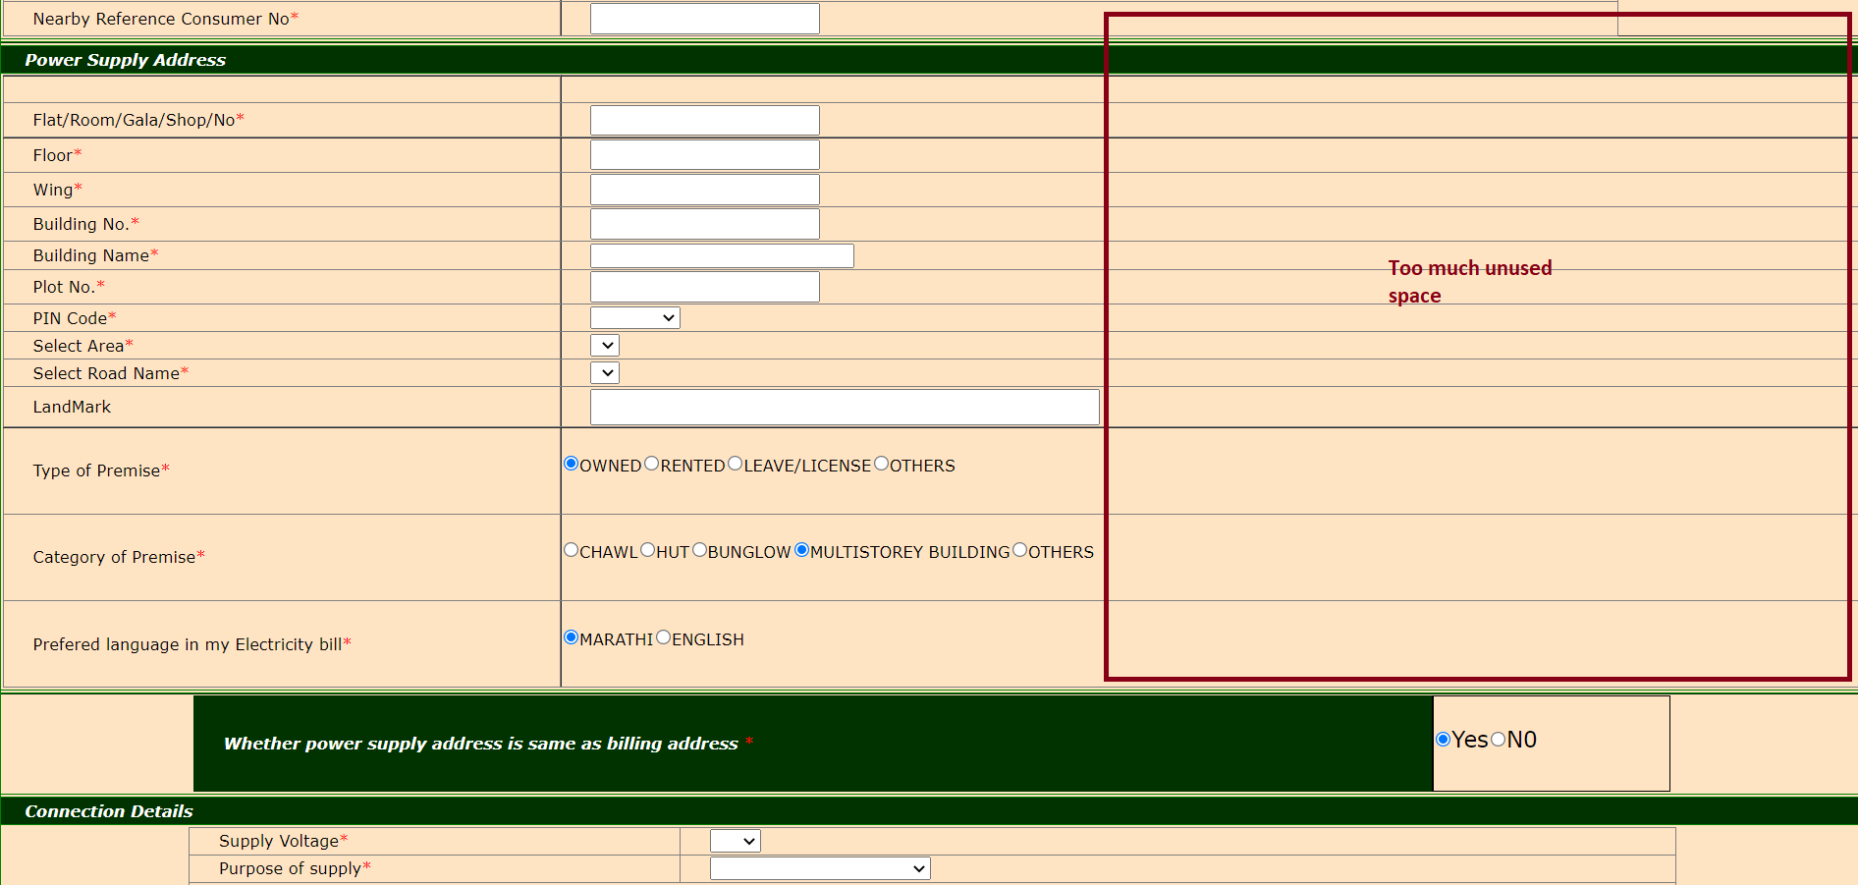
8 | Footer | Placing of footer is not optimized. The length of the page is way too bigger, causing the footer to be at a much lower place. The length of the form should be dynamic, and change according to the fields visible to the user | 

